Sheet1
PS#6 Question 2
Part a)
Discount Rate r | 7.00E-02 | X100% | Facility Installation Cost | 3.00E+09 | $
E Generation | 1.00E+09 | W | CRF | 7.50E-02
Lifetime (n) | 4.00E+01 | yrs | Mortgage Payment | 2.25E+08 | $/year
Cost/watt | 3.00E+00 | $/W | Amount of Energy Produced | 8.76E+09 | kWh/year | We assumed a 100% Duty Cycle
Fuel | 6.35E-03 | $/kWh | Cost of Energy Production | 4.48E+08 | $/year
Total Operating Costs | 2.54E-02 | $/kWh | Buss Bar Cost | 5.11E-02 | $/kWh =

Part b) | This change made a small difference. It increased the CRF, so we had to charge more for electricity.
Discount Rate r | 7.00E-02 | X100% | Facility Installation Cost | 3.00E+09 | $
E Generation | 1.00E+09 | W | CRF | 9.44E-02
Lifetime (n) | 2.00E+01 | yrs | Mortgage Payment | 2.83E+08 | $/year
Cost/watt | 3.00E+00 | $/W | Amount of Energy Produced | 8.76E+09 | kWh/year
Fuel | 6.35E-03 | $/kWh | Cost of Energy Production | 5.06E+08 | $/year
Total Operating Costs | 2.54E-02 | $/kWh | Buss Bar Cost | 5.77E-02 | $/kWh =

Part c) | The major change here is the capitol cost we start with. We spread out the $3 billion over 12 years and include interest before we start generating electricity.
Discount Rate r | 7.00E-02 | X100% | Facility Installation Cost | 6.76E+09 | $ | Why did the facility installation costs more than double? Please see below how the long building time caused an increase in the debt.
E Generation | 1.00E+09 | W | CRF | 7.50E-02
Lifetime (n) | 4.00E+01 | yrs | Mortgage Payment | 5.07E+08 | $/year
Cost/watt | 3.00E+00 | $/W | Amount of Energy Produced | 8.76E+09 | kWh/year
Fuel | 6.35E-03 | $/kWh | Cost of Energy Production | 7.29E+08 | $/year
Total Operating Costs | 2.54E-02 | $/kWh | Buss Bar Cost | 8.33E-02 | $/kWh = | The long building time caused the LCOE to increase more than 3 cents / kWh
I will find the debt at the beginning of the generation process in two steps: First, I already know I have to pay each year for 12 years = $3 billion / 12
Capitol Costs | 3.00E+09 | $ | CRF | 1.26E-01
Building period | 12 | yrs | PV | 1.99E+09 | I DIVIDE my yearly payments by this CRF to find the amount of money these annual payments are worth at the beginning of the 12 year building/litigating period.
Yearly Payment | 2.50E+08 | $/year
Dicount rate | 7.00E-02 | X100%
So, we see that I would have to pay only $2 billion at the beginning of 12 years in order to make this $3 billion in payments over a 12 year period because the value of the money is greater in the beginning.
However, then I have to see how much that $2 Billion debt is worth after a 12 year interest period:
Debt after 12 years | 6.76E+09 | The initial debt has more than doubled!

Question #3 - Please play around with the Excel Model, and ask me some questions if you don't understand.

Question #4
Constants |  |  | Calculations |  |  |  | Constants |  |  | Calculations
$ Saved/month in Winter (6 months) | 20 | $ | Energy Conserved/Year: | 4.44E+03 | kWh |  | Cost of Insulation | 2050 | $ | CRF | 0.080586403511 | a) It's pretty close to 8%
$ Saved/Winter | 120 | $ |  | 1.51E+02 | Therms |  | Interest Rate | 0.07 |  | Mortgage Payment/Year | 165.2021272 | $/yr
$/therm NG | 0.79238 |  |  | 1.51E+07 | BTUs |  | Loan Period | 30 | years | CCE: | 0.037 | $/kWh | d) The cost of concserved energy, is less than the cost of buying the energy, so this is a good economic investment!
$/BTU NG | 7.9238E-06 |  |  | 1.60E+10 | Joules |  | Avoided Energy Cost | 120 | $/yr
$/Joule NG | 7.51071E-09 |  | b) Above is the energy NOT used, or saved energy |  |  |  | Conserved Energy | 4.44E+03 | kWh

Constants |  | Calculations |  |  |  |  | Constants |  |  | Calculations
NG gC/MJ | 15 | Total kg CO2 abated/year: | 880 | kg CO2 |  |  | Cost of Insulation | 2050 | $ | CRF | 0.080586403511
NG gCO2/MJ | 55 |  | c) Above is the Abated carbon, or CO2 NOT emiited |  |  |  | Interest Rate | 0.07 |  | Mortgage Payment/Year | 165.2021272 | $/yr
MJ NG conserved/year | 16000.00 |  |  |  |  |  | Loan Period | 30 | years | Mortgage-Avoided E Cost | 45.202127198 | $/yr | This is the big difference between CCE and CAC - From the mortgage payments, we need to subtract the money we save with the investment to see how much this investment costs us.
 |  |  |  |  |  |  | Avoided Energy Cost | 120 | $/yr | CAC: | 0.051 | $/kg CO2 | e) So even with the energy savings, this investment costs me more than it saves, so there is a POSITIVE cost of abated carbon.
 |  |  |  |  |  |  | Conserved Energy | 4.44E+03 | kWh | CAC: | 51.424 | $/Ton CO2 | f) So in order to make this investment financially advisable, we'd need to have a carbon tax of more than $51/ton (CO2).
 |  |  |  |  |  |  | Carbon Abated | 879 | kg CO2 | g) YES! My house is cooler in the summer - something I hadn't thought about. This is very nice.
 |  |  |  |  |  |  |  |  |  | I'm also thinking about insulating my floors. However, this would make the house warmer in the summer, so there is less added value.

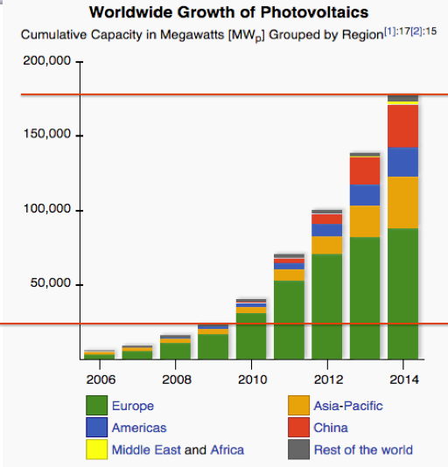
Question #5
The first step is to figure out what the growth rate is in total installed capacity
year | Global Capacity (GW)
2009 | 25
2014 | 180

Number of years | 5
Factor increase | 7.2
I'll do this backwards algebra wise, and just try numbers until I get about a factor of 7.2 over 5 years
% increase | 48
Factor increase in 5 years | 7.1008211968
I find that we get about a 48% growth in global capacity each year!
2030 is 16 years in the future, so we'd expect our capacity to be:
2030 | 95380.578334 | About 100 TW!!! POOP! That's more electricity than we'll (hopefully) need!
2025 | 13432.330669 | About 14 TW, hopefully, with a 25% duty cycle, this will provide global electrical needs,
Costs of PV scale like the total capacity to the - 1/3 power, remember from the video
year | cost of PV $/W | Installed $/W
2014 | 0.5 | 4
2030 | 0.061788481501 | 0.49430785201 | 6 cents a Watt to buy the panels, 50 cents a Watt to install
2025 | 0.11876187563 | 0.95009500506 | 11 cents a Watt to buy the panels, 95 cents a Watt to install

So what is the LCOE at 2025 prices?
CRF ~ | 8%
Duty Cycle | 25%
Power (kW) | 10
Energy for a year (KWh) | 21900
Capital Cost ($) | 9500.9500506
Mortgage $/yr | 760.07600405
LCOE ($/kWh) | 0.034706666852 | 3.5 cents per kWh!

